Instructions
The Post-Event Assessment Tool was created by Bichsel Medical Marketing Group to help you evaluate how well a particular convention/trade show allowed you to meet your marketing objectives.
It can be customized with your own objectives and indicators to streamline thinking and give numeric value to responses that may otherwise be subjective.
Instructions:
1. Update objectives and indicators with your own.
2. Disseminate electronically to attendees from your organization, ideally within one week of the event. Seek to obtain feedback from a cross-functional, multi-level group of key players who bring unique perspectives (e.g., executive team, sales director, marketing director, clinical affairs director).
3. Ask each attendee to complete and return the assessment.
4. Use the responses to lead discussions and make decisions.

EVENT MANAGEMENT SERVICES FROM BMMG!
Ensure your next event goes smoothly with the event management services from Bichsel Medical Marketing Group. With extensive experience running medical conferences, sales meetings and clinical education programs, we understand all the details required to position your organization and your offerings professionally with key audiences to achieve your objectives on time and within budget.
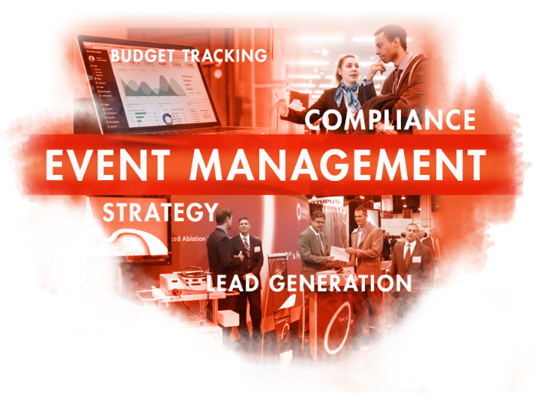

BMMG can help with:
⬧ Event Strategy
⬧ Booth Design
⬧ Demonstrations
⬧ Customer Engagement & Experiences
⬧ Lead Generation
⬧ Physician Training
⬧ Sales Meetings
⬧ Budget Tracking
⬧ Management Reports
⬧ Show Communications
⬧ Healthcare Compliance
⬧ All Event-related Planning and Execution
Read more about us online at BichselGroup.com
Follow us on LinkedIn: LinkedIn

